In-App traffic
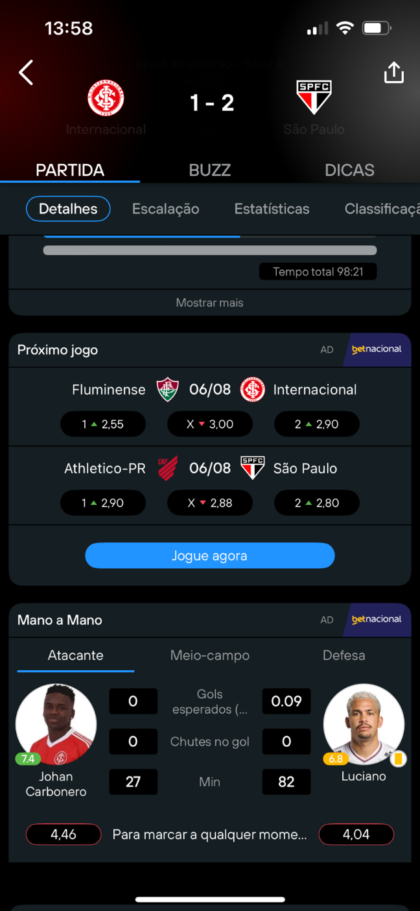
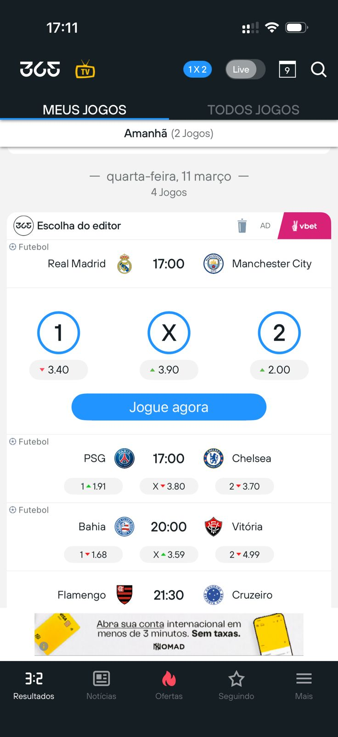

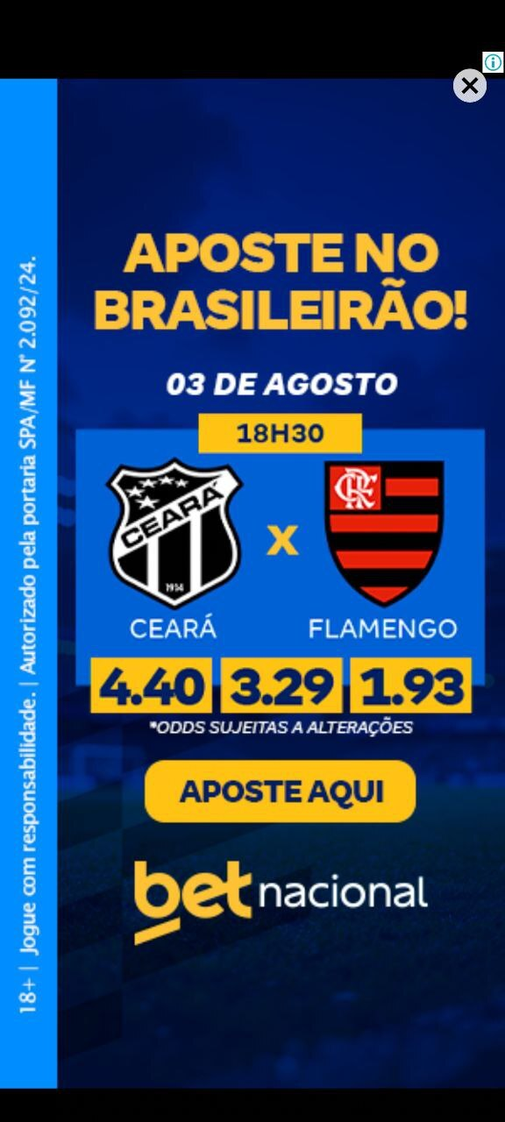
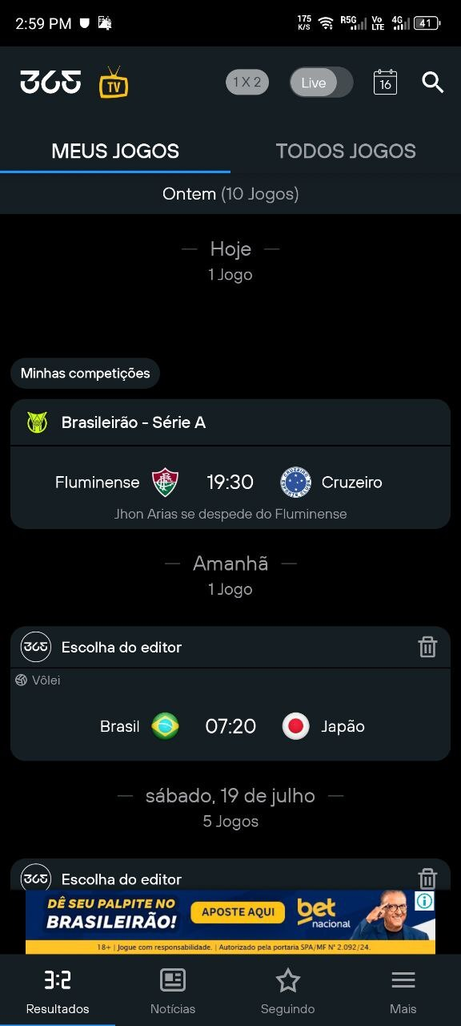
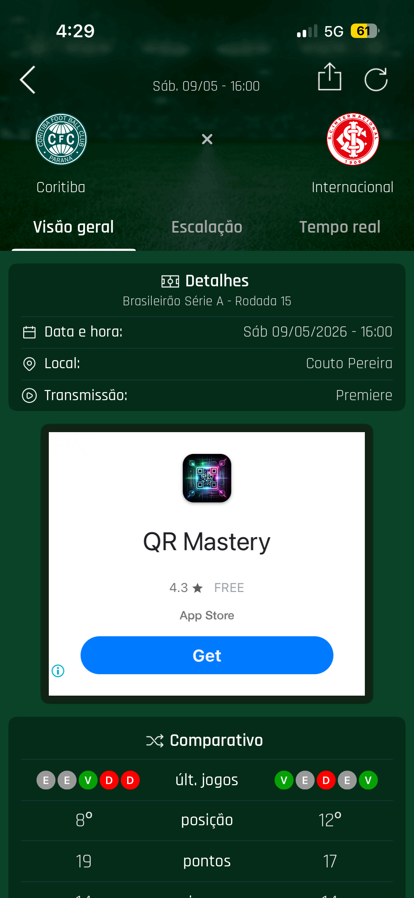
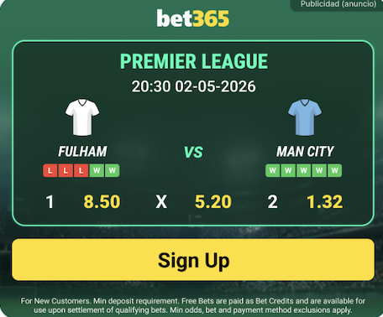
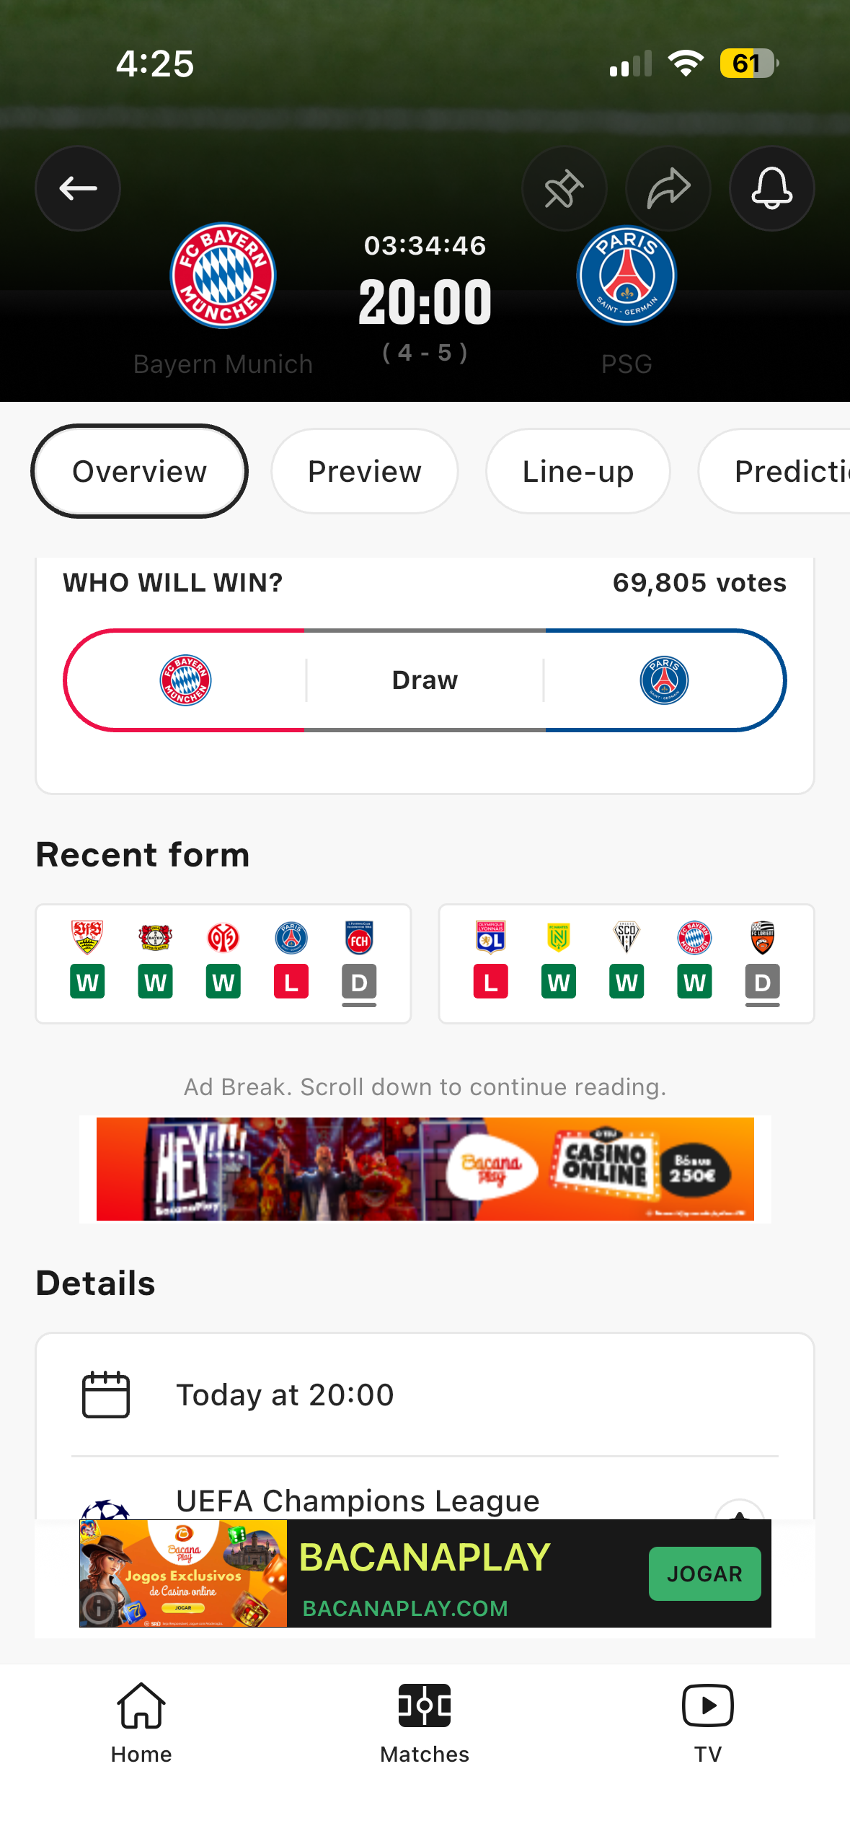
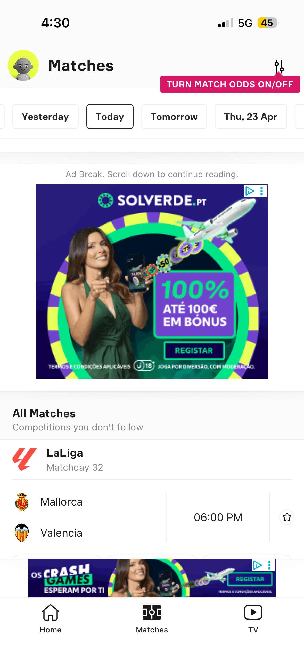
BetWarrior | BR | Jun-Ago 2026

Publisher | AREA | GEO | Creative | AdTech | Tot Impr./Month | Impr. Avail. / Month* | MAU | CPM Price | SOV avail % | SOV to take | Impressions booked / Month | TOT Booked / Month | TOT Booked / Jun-Ago 2026
365Scores | LATAM | Brazil | Native Odds | 1x1 |  | 709,206,396 | 350,844,376 | 5,463,161 | € 0.80 | 49% | 5% | 35,460,320 | 28,368.26 € | 85,104.77 €
365Scores | LATAM | Brazil | Banner & Logo | 640x1280 300x250 640x100 & 128x128 | x | 160,312,836 | 74,441,865 | 6,594,822 | € 3.10 | 46% | 1% | 1,603,128 | 4,969.70 € | 14,909.09 €

Brasileirao PRO | LATAM | Brazil | Banner Exit Medium Rectangle | 1x1 | x | 8,910,000 | 8,910,000 | 1,500,000 | € 1.85 | 100% | 30% | 2,673,000 | 4,945.05 € | 14,835.15 €

OneFootball | LATAM | Brazil | Native Odds | 1x1 |  | 120,000,000 | 30,000,000 | 2,000,000 | € 0.70 | 25% | 10% | 12,000,000 | 8,400.00 € | 25,200.00 €
OneFootball | LATAM | Brazil | Banner 320x480 - MPU 300x250 - Sticky 320x50 | x | 40,000,000 | 4,000,000 | 2,000,000 | € 2.25 | 10% | 3% | 1,200,000 | 2,700.00 € | 8,100.00 €

 |  |  |  |  |  |  |  |  |  |  | TOT | 49,383.00 € | 148,149.01 €

 | 365Scores App | Odds Página Principal |  |  | 365Scores App | Banner & Logo |  |  |  | Brasileirao PRO App | Banner |  |  | One Football App | Odds & Banner

